Instructions
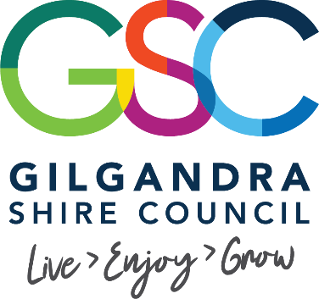


Complete these template to the best of your ability, these templates are designed to assit you with event planning and management. They are designed to be living documents that you can continue to use and update as your event organising progresses. Contact Council if you have any questions or concerns.

1 | Discuss your project with Council's Activations and Communication Team, 02 6817 8800 or enjoy@gilgandra.nsw.gov.au
2 | Complete the Budget template in the first tab below (where possible seek quotes from local suppliers)
3 | Complete the Action Plan template in the second tab below (example tasks have been provided, these can be edited to suit your event and are just a guide)
4 | Before uploading these templates in you application first save to a pdf:
 |  | 1. Click 'File' and 'Save As'
 |  | 2. Choose a location to save your document
 |  | 3. Name your document
 |  | 4. From the 'Save as type' drop down select 'PDF'
 |  | 5. Click Save

